Night light
 | Coordinates | Before covid | After Covid
Spain
China
Italy
Brazil
Sweden
Australia
Philippines |  | 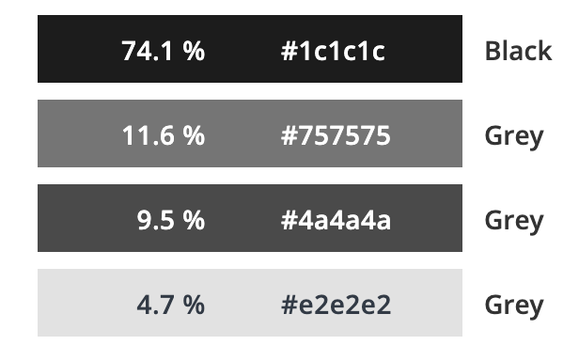 | 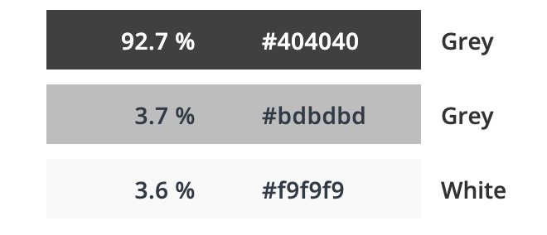
Malaysia
South Africa
Greece
Egypt
New Zealand
Bulgaria
Costa Rica
Kuwait
Venezuela
Singapore

